Sheet1

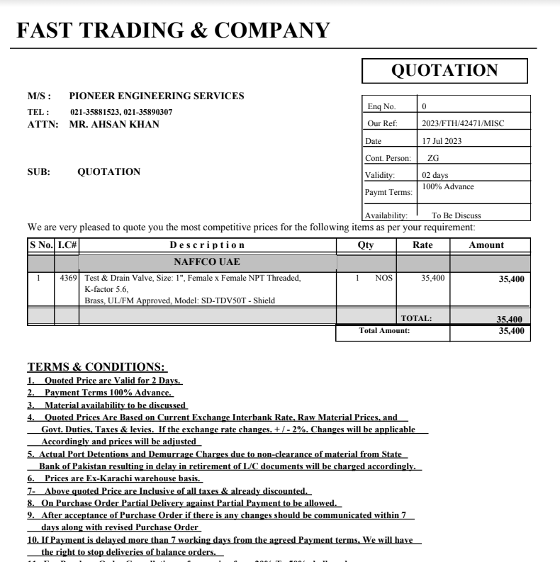

PES/DMC/002/07/23 |  |  |  |  |  |  |  | 2023-07-18

Attn: Mr. Anas Aftab

Variation order for test & drain Valve - Dolmen Family Area DMC Karachi

S. # | Description | Material Rate | Labour Rate | Over Head profit 20% | Tax 7.5% | Unit | Qty | Amount
1 | Supply and installation of test & drain valve 01" dia. Brand: Shield | 35,400 | 10,000 | 9,080 | 4,086 | No | 1 | 58,566
Total Amount Rs. |  |  |  |  |  |  |  | 58,566

Thanking you,

For PIONEER ENGINEERING SERVICES.

Bilal Habib

